Marketed products
Main
 |  | Figures in 100 million JPY
 |  | Q1110 | Q210 | Q310 | Q410 | Q111 | Q211 | Q311 | Q411
 |  | 2010-06-30 | 2010-09-30 | 2010-12-31 | 2011-03-31 | 2011-06-30 | 2011-09-30 | 2011-12-31 | 2012-03-31
 | Rivastach Patch |  |  |  |  |  |  |  | 12 |  |  | US$ | JPY | 1000000 JPY
 | Emend capsules | 9 | 11 | 15 | 12 | 16 | 16 | 18 | 16 |  |  | 50,000,000 | 4,000,000,000 | 4,000
 | Glactiv | 15 | 19 | 31 | 46 | 62 | 66 | 80 | 71
 | Recalbon | 5 | 4 | 6 | 5 | 5 | 8 | 9 | 13
 | Staybla | 15 | 12 | 16 | 15 | 16 | 13 | 17
 | Onon (Capsules/syrup) | 73 | 56 | 82 | 89 | 71 | 50 | 75 | 71
 | Sum | Rivastach Patch | Emend capsules | Glactiv | Recalbon | Staybla | Onon (Capsules/syrup) | Opalmon | Kinedak | Elaspol | Foipan | Onoact
2007 | 955 |  |  |  |  |  | 382 | 338 | 173 | 53 |  | 9
2008 | 1140 |  |  |  |  | 5 | 381 | 373 | 174 | 54 | 134 | 19
2009 | 1092 |  |  |  |  | 22 | 333 | 381 | 158 | 50 | 121 | 27
2010 | 1265 |  | 47 | 111 | 20 | 58 | 300 | 401 | 132 | 50 | 110 | 36
2011 | 1391 | 12 | 66 | 279 | 35 | 46 | 267 | 395 | 112 | 44 | 102 | 33
 | Opalmon | 105 | 98 | 111 | 87 | 101 | 100 | 111 | 83
 | Kinedak | 37 | 32 | 36 | 27 | 31 | 28 | 31 | 22
 | Elaspol | 13 | 11 | 15 | 11 | 11 | 10 | 13 | 10
 | Foipan | 30 | 26 | 31 | 23 | 27 | 25 | 29 | 21
Growth
 | Onoact | 9 | 17 | 3 | 7 | 9 | 8 | 10 | 6

 |  | 2007 | 2008 | 2009 | 2010 | 2011
 | Rivastach Patch |  |  |  |  | 12
 | Emend capsules |  |  |  | 47 | 66
 | Glactiv |  |  |  | 111 | 279
 | Recalbon |  |  |  | 20 | 35
 | Staybla |  | 5 | 22 | 58 | 46
 | Onon (Capsules/syrup) | 382 | 381 | 333 | 300 | 267
 | Opalmon | 338 | 373 | 381 | 401 | 395
 | Kinedak | 173 | 174 | 158 | 132 | 112
 | Elaspol | 53 | 54 | 50 | 50 | 44
 | Foipan |  | 134 | 121 | 110 | 102
 | Onoact | 9 | 19 | 27 | 36 | 33
 | Sum | 955 | 1140 | 1092 | 1265 | 1391

 |  | Q309 | Q409 | Q1110 | Q210 | Q310 | Q410 | Q111 | Q211 | Q311 | Q411
 | Glactiv | 4 | 5 | 15 | 19 | 31 | 46 | 62 | 66 | 80 | 71

ONO-7165
Main
 | Brand Name | Stimuvax
 | Economics | Merck KGAA, assume ONO has Japan rights
 | IP | In 10-K, CO says patents expire in 2018.
 | Mechanism | A 25 AA peptide (STAPPAHGVTSAPDTRPAPGSTAPP) formulated in a liposome that binds MUC-1.
 |  | This induces T-cell proliferation and production of IFN-gamma.
 | Clinical Trials

 |  | Phase III n=1476 Stage III 1L responder NSCLC "START"
 |  | Enrollment 12/2006 (n initially expected to be 1322) to 6/2011. Final data 6/2012? (assuming 12 month mOS).
 |  | Dosing is 300 mg/m^2 Cyclophosphamide 3d before first dose of Stimuvax.
 |  | Stimuvax is given at 930 ug weekly for 8 weeks then at 6 week intervals.
 |  | Only Stage 3 NSCLC (P2b was Stage 3b/4)
 |  | Primary endpoint is OS, ONTY does have SPA. Randomization is 2:1.
 |  | Interim looks at data at 353 and 529 deaths. Final analysis at 705 deaths.
 |  | First interim look was December 2010, study could proceed
 |  | Study was on clinical hold from March 23 to June 17 2010 (85 days)
 |  | In Augst 2010, CEO said that a "very substantial majority" of sites were enrolling patients
 |  | In Nov 2010, CEO stated that a "substantial majority" of sites were enrolling patients
 |  | Both companies said in Q1 11 calls that enrollment was going well
 |  | Couple of clinical sites said closed a couple of weeks ago (early June 2011)
 |  | Butts disclosed at ASCO that 440 were enrolled.
 |  | 1 pt in a melanoma study developed encephalitis
 |  | Enrolled patients were not treated during this period
 |  | Admin is weekly for first 8 weeks and then every 6 weeks until the tumor begins to progress
 |  | Per protocol, pts are allowed to to skip 2 of the every 6 week doses and remain on study.
 |  | From accrual graph presneted (ASCO?), looks like at least 600 pts would have missed 1 dose, and several hundred would have mised 1+ doses.
 |  | per JP (feb 16, 2011) ONTY disclosed that the FDA permitted them to change the SPA to exclude from the ITT analysis 150 pats who were inadequately treated during the clinical hold.
 |  | I did not see an 8-K or a PR corresponding to this
 |  | It was mentioned in Q4 2010 EC. Note, the patients will still be included in the analysis, though.
 |  | RK: "Well, they'll be included in the analysis that they will certainly affect the statistical analysis of the trial."

 |  | Phase III, n = 909, breast cancer (STRIDE)
 |  | Began June 2009, was placed on clinical hold in March 2010, and then discontinued.
 |  | ONTY's rationale was that there was not as strong clinical data on efficacy in BC, and that FDA would likely have required Phase 2 study.
 |  | Not clear how many patients were enrolled when study was stopped.

 |  | Phase III, n = 420, NSCLS Asian study (INSPIRE)
 |  | Began enrolling in December 2009
 |  | Sites in HK, taiwan, Sngapore, Korea
 |  | Final data expected in 2014

 |  | Phase IIb n=171
 |  | ONTY\Clin lung cancer.pdf
 |  | ONTY\j clin oncol.pdf
 |  | ONTY\j cancer res clin oncol 2011.pdf
 |  | n=171, Stage IIIb or IV lung cancer
 |  | Dosing is 300 mg/m^2 Cyclophosphamide 3d before first dose of Stimuvax.
 |  | Stimuvx was dosed at 1,000 ug weekly for first 8 weeks, then ever 6 weeks
 |  | In control group, 26% were S3bLR. In Stimu group, 40% were S3aLR. Rest were 3bMPE or S4.
 |  | Study was for pts who had stable disease or objective clinical response after first line therapy.
 |  | Pts pretreated with IV cyclophosphamide for 3d prior to immunotherapy.
 |  | 45% had stable disease after initial therapy, and 51% had a partial response.
 |  | Median time from initial therapy to study entry was 6.1 wks in BSC arm and 7.0 wks in Stimu arm.
 |  | T-cell proliferation assays were done on 78 of 88 pts in Stimu arm: 16 (20%) had T-cell response.
 |  | No correlation between T-cell response and survival.
 |  | 17 sites in Canada and UK
 |  | Prior chemotherapy was Pt based for all but 6 pts
 |  |  | Stimu + BSC (n = 88) | BSC (n = 83)
 |  | ECOG 0 | 31 (35%) | 22 (27%)
 |  | ECOG 1 | 53 (60%) | 57 (68%)
 |  | ECOG 2 | 4 (5%) | 4 (5%)
 |  | Stage 3b LR | 35 (40%) | 30 (36%)
 |  | Stage 3b MPE or S4 | 53 (60%) | 53 (64%)

 |  | By comparison, in the P3 tarceva NSCLS study (n = 889),
 |  |  | Tar (n = 438) | PBO (n = 451)
 |  | ECOG 0 | 135 (35%) | 145 (32%)
 |  | ECOG 1 | 303 (69%) | 306 (68%)
 |  | Stage 3b Unresectable | 116 (26%) | 109 (24%)
 |  | Stage 3b MPE or S4 | 322 (74%) | 342 (76%)
 |  | PFS was 2.8 in Tar and 2.6 mths in PBO, p <0.0001
 |  | OS was 12.0 in Tar vs 11.0 in PBO, p = 0.0088

 |  | Also, in a n = 1217 study of Iressa + carboplatin/paclitaxel in 2nd line therapy OS was 18.6 mth in tm group and 17.3 mths in control (New Engl. J. Med., 2009, 361, 947-957)
 |  | This was double normal OS
 |  | Survival in stimu arm was 17.4 mths, vs 13 mths in bsc (p = 0.112)
 |  | In S3B LR pts, (J. Thorac. Oncol., 2007, 2, s332) broke out data for S3b LR patients, and showd OS was 30.6 mths, vs 13.3 for BSC (p = 0.16).
 |  | in J Clin Oncol, 2003, 21, 2237-2246, OS for Iressa was 7.6 mths for 250 mg/d irressa vs 8.0 mths for 500 mg/d.
 |  | Median OS in the 9 to 12 range are typical for second line

 |  | In overall study, 42 pts had died at 13 weeks in BSC arm, compared to 35 in stimu arm
 |  | Looking at KM curve for S3bLR, at 13.3 months 15 pts in the BSC arm had died, and 11 in the Stimu
 |  | Chemo-nainve pts can give OS of 22+ mths
 |  | In J. Clin. Oncol., 2008, 26, 2450-2456, pts with stage 3 LR NSCLC (ecog 0 or 1) on iressa had OS = 27 mths and PBO was 23 mths (p = 0.013). Again, chemo naïve.

 |  | To
 |  | enhance the antigenic stimulation of a greater number of draining
 |  | lymph nodes, the vaccine was administered to four anatomic sites.
 |  | It was hypothesized that this method of administration would
 |  | increase the likelihood of an effective immune response against the
 |  | disease. The 1,000g of L-BLP25 consisted of four 0.5-mL subcutaneous
 |  | injections, each containing one fourth of the total dose
 |  | and administered in the deltoid or triceps region of the upper arms
 |  | and the left and right anterolateral aspects of the abdomen.

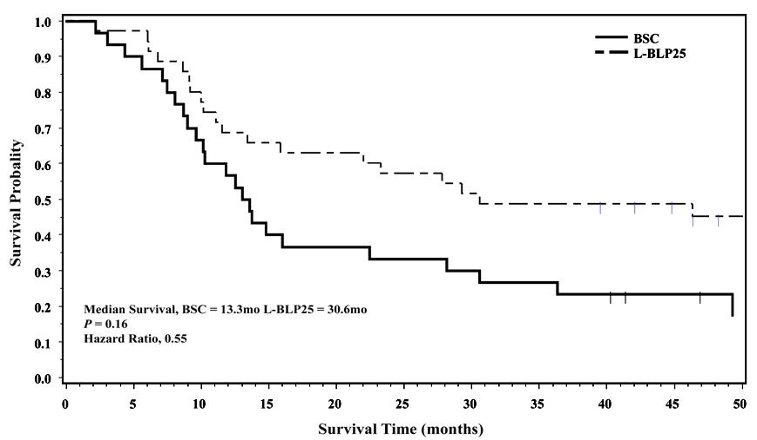

11

18

ONO-5163
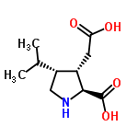
Main
 | Brand Name | ONO-5163 (KAI-4169)
 | Economics | KAI Pharma
 | Indication | 2ndry hyperparathyroidism in ESRD
 | IP
 | Mechanism | Ca receptor agaonist. Proline analog.
 | Clinical Trials
 |  | Phase 2, n = 58
 |  | Presented at 2011 ASN
 |  | Endpoint was reduction in parathyroid hormone
 |  |  | 5 mg | 10 mg
 |  | n | 13 | 21
 |  | Change (PBO adj.) in PTH | 33% | 49%

 |  | Safe and well-tolerated

Deals
Drug | Indication | Licensed | Terms | Stage | Date
Relistor | OIC | From PGNX | $15M upfront | FDA approved | Oct-08
Carfilzomid | MM | From ONXX | $63M upfront | Phase 3 | Sep-10
KAI-4169 | Hyperthyroidism | From KAI | $12.5M upfront | Phase 2 | Sep-11
Ivabradine | CHF | From Servier | $25M upfront | EU CHF filed | Sep-11 |  | Deals
ONO-4641 | MS | to Merck Kga | $19M upfront | Phase 3 | Oct-11 | 2005 | 3
Stimuvax | NSCLC | From Merck Kga | $6M upfront | Phase 3 | Oct-11 | 2006 | 2
MDX-1106 (PD-1 AB) | Cancer | From Medarex | N/A | Discovery | May-05 | 2007 | 2
Drug platform | N/A | From Array | N/A | Discovery | Nov-05 | 2008 | 2
Rivastach Patch | AD | From NVS | N/A | Phase 3 | Dec-05 | 2009 | 2
Kinase platform | N/A | From Ansaris | N/A | Discovery | Jul-06 | 2010 | 3
ONO-7643 (RC-1291) | cancer anorexia | From Sapphire | N/A | Phase 2 | Oct-06 | 2011 | 6
ONO-2745 | Anesthesia | From CeNeS | N/A | Preclinical | Aug-07 | 2012 | 2
ONO-7746 | Thrombocytopenia | From Nissan | N/A | Preclinical | Dec-07
Fragmant platform | N/A | From Evotec | N/A | Discovery | Mar-08
Ion channel platform | N/A | From Xention | N/A | Discovery | Mar-09
Asimadline (ONO-3951) | IBS | From Tioga | N/A | Phase 2 | Sep-09
Drug platform | N/A | From BioSeek | N/A | Discovery | Mar-10
Salirasib (ONO-7056) | NSCLC, CRC | From Concordia | N/A | Phase 2 | Sep-10
Peptide cancer vaccine | Cancer | From OncoTherapy | N/A | Discovery | Mar-11
XRC/GPCR technology | N/A | With Receptos | N/A | Discovery | Dec-11
Inflamatory disease | N/A | With Galapagos | N/A | Discovery | May-12
Protein technology | N/A | With Scil Proteins | N/A | Discovery | May-12

